Secor Safety
Photo | Art.-Nr. | Name | Farbe | EU | 36 | 37 | 38 | 39 | 40 | 41 | 42 | 43 | 44 | 45 | 46 | 47 | 48 | Total
 | Ref.No. | Description | Colour

PU ALL-TRAX SCANDIA COMPOSITO Bicolore
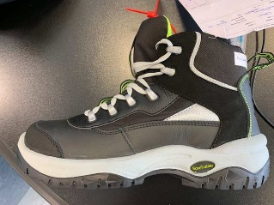 | AX33932 K/SCA | SCANDIA | black/yellow |  |  | 7 | 6 | 8 | 16 | 32 | 35 | 43 | 27 | 35 | 12 | 13 |  | 234
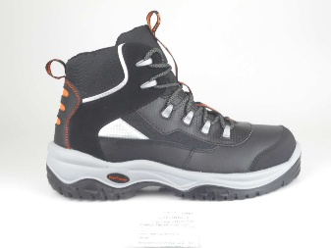 | AX33939 K/SCA | SCANDIA | black/orange |  |  |  | 5 | 3 | 3 | 3 | 3 | 8 | 11 | 7 | 3 |  | 1 | 47
TOTAL |  |  |  |  |  |  |  | 11 | 19 | 35 | 38 | 51 | 38 | 42 | 15 | 13 | 1 | 281

